Air
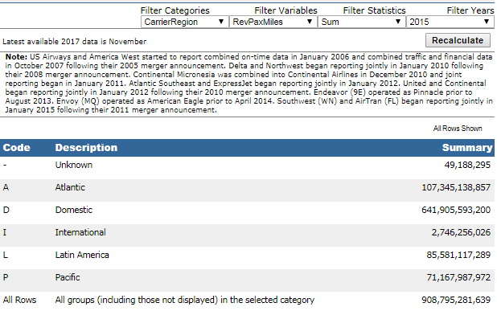
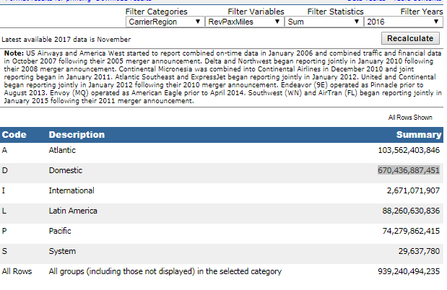
 |  |  | 2013 | 2014 | 2015 | 2016 | 2017 | 2018
 | Air carrier, certificated, domestic, all services |  | 589,692,376,787 | 607,771,655,075 | 641,905,593,200 | 670,436,887,451 | 693,818,109,935 | 730,721,457,515

 |  |  |  |  | 639634733423
Air | http://www.transtats.bts.gov/Fields.asp?Table_ID=264

2013 | D | Domestic | 589,692
2014 | D | Domestic | 607,772

