Sheet1
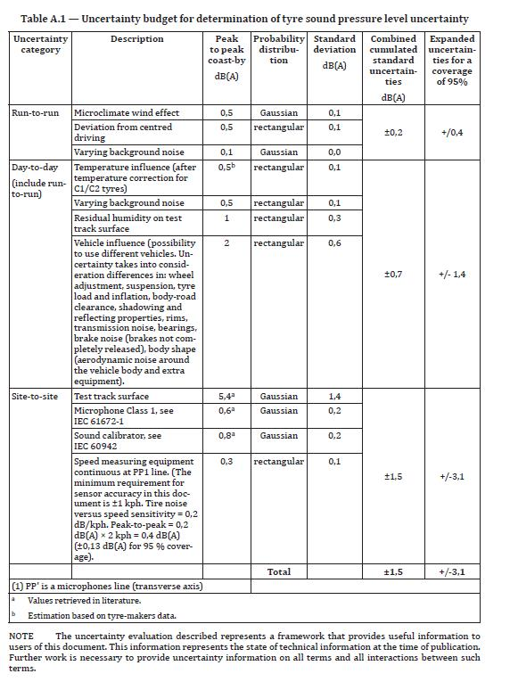
Situation | Input quantity | Systematic/random | Probability distr. | Peak-to-peak | Variance | Standard uncertainty | Combined st.uncert | 95 % uncetainty | var (LG) | st dev (LG)
 | Microclimate wind effect | random | gaussian | 0.8 | 0.04 | 0.20 |  |  | 0.04 | 0.20
Single run-to single run | Deviation from centered driving | random | rectangular | 0.5 | 0.02 | 0.14 |  |  | 0.02 | 0.14
 | Speed variations +/- 1 km/h | random | rectangular | 0 | 0.00 | 0.00 | 0.27 | 0.54 | 0.00 | 0.00
 | Varying background noise | systematic | rectangular | 0.4 | 0.01 | 0.12 |  |  | 0.01 | 0.12
 | Varying temp. of tyres | systematic | rectangular | 0 | 0.00 | 0.00 |  |  | 0.00 | 0.00
 | Barometric pressure (+/- 30 hPa) | systematic | gaussian | 0 | 0.00 | 0.00 |  |  | 0.00 | 0.00
Day-to-day | Temperature influence, correction error | systematic | rectangular | 0.9 | 0.07 | 0.26 |  |  | 0.07 | 0.26
 | Varying background noise | systematic | rectangular | 0 | 0.00 | 0.00 | 0.69 | 1.39 | 0.00 | 0.00
 | Vehicle contrubtion | systematic | gaussian | 2.0 | 0.25 | 0.50 |  |  | 0.25 | 0.50
 | Tyre-to tyre variations | systematic | gaussian | 1.0 | 0.06 | 0.25 |  |  | 0.06 | 0.25
 | Residual humidity on test track surface | systematic | rectangular | 1.1 | 0.10 | 0.32 |  |  | 0.10 | 0.32
 | Altitude (location of test track) | systematic | rectangular | 0 | 0.00 | 0.00 |  |  | 0.00 | 0.00
 | Test track surface | systematic | rectangular | 5.4 | 2.43 | 1.56 |  |  | 2.43 | 1.56
Site-to-site | Microphone class 1 | systematic | gaussian | 0.5 | 0.02 | 0.13 | 1.57 | 3.14 | 0.02 | 0.13
 | Sound Calibrator class 1 | systematic | gaussian | 0.5 | 0.02 | 0.13 |  |  | 0.02 | 0.13
 | Speed measuring equipment | systematic | gaussian | 0.1 | 0.00 | 0.03 |  |  | 0.00 | 0.03

 |  |  |  |  |  |  | Overall combined uncertainty |  | 3.02
 |  |  |  |  |  |  | 1.7 | dB
 |  |  |  |  |  |  | Expanded uncertainty, 95% |  | Overall combined uncertainty (LG)
 |  |  |  |  |  |  | 3.4 |  | 1.7 | dB
 |  |  |  |  |  |  |  |  | Expanded uncertainty, 95% (LG)
 |  |  |  |  |  |  |  |  | 3.4

