Document
Please add here the document (basis of your review)
https://www.unece.org/fileadmin/DAM/trans/main/wp29/wp29wgs/wp29gen/wp29registry/ECE-TRANS-180a4e.pdf
https://www.unece.org/fileadmin/DAM/trans/main/wp29/wp29wgs/wp29gen/wp29registry/ECE-TRANS-180a4app1e.pdf
https://www.unece.org/fileadmin/DAM/trans/main/wp29/wp29wgs/wp29gen/wp29registry/ECE-TRANS-180a4a1e.pdf
https://www.unece.org/fileadmin/DAM/trans/main/wp29/wp29wgs/wp29gen/wp29registry/ECE-TRANS-180a4am1c1e.pdf
https://www.unece.org/fileadmin/DAM/trans/main/wp29/wp29wgs/wp29gen/wp29registry/ECE-TRANS-180a4am1c2e.pdf
https://www.unece.org/fileadmin/DAM/trans/main/wp29/wp29wgs/wp29gen/wp29registry/ECE-TRANS-180a4a1app1e.pdf
https://www.unece.org/fileadmin/DAM/trans/main/wp29/wp29wgs/wp29gen/wp29registry/ECE-TRANS-180a4a2e.pdf
https://www.unece.org/fileadmin/DAM/trans/main/wp29/wp29wgs/wp29gen/wp29registry/ECE-TRANS-180a4a2app1e.pdf
https://www.unece.org/fileadmin/DAM/trans/main/wp29/wp29r-1998agr-rules/ECE-TRANS-180a4a3e.pdf
https://www.unece.org/fileadmin/DAM/trans/main/wp29/wp29r-1998agr-rules/ECE-TRANS-180a4a3app1e.pdf
https://unece.org/sites/default/files/2021-09/ECE-TRANS-180a4am4e.pdf
https://unece.org/sites/default/files/2021-09/ECE-TRANS-180a4am4app1e.pdf

Keywords
Link to | TF-AVRS-12-04

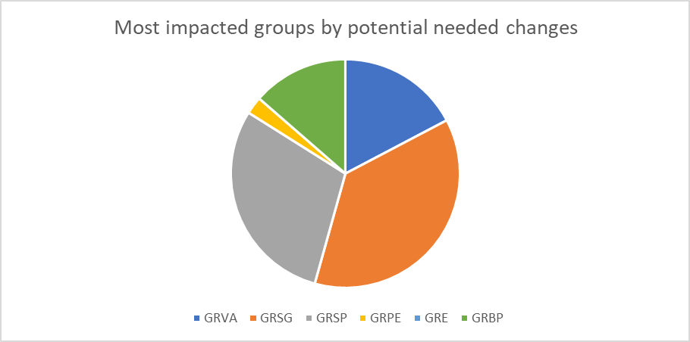
Theme | Keywords
Human person | Driver Rider Operator | Passenger | Person | Occupant | Crew (member)
Areas within the vehicle | Cockpit Driver's compartment Driving cab | Passenger compartment
Body Parts | Hand Foot Arm Etc.
Manual action | Lever Button Handle Switch (Gear) selector Clutch (Gear) lever Placed in neutral | Push Pull Press Rotate Pumping Release Depressed Engage Key-on | Force Muscular (energy) | Reach Accessible | Manual
Vision | Visible (Field of) view / vision See | Ocular Optical | Illuminate Display Recognise Identify | Monitor
Audition | Audible Acoustic Hear
Information to the driver | Warn(ing) Signal Alert | Inform(ing) Remind Indicate Ignoring | (Check) lamp Symbol Mark Sign Colour Contrast Pictogram Tekst Flashing light MI (Malfunction Indicator) | Instrument panel Dashboard |  | 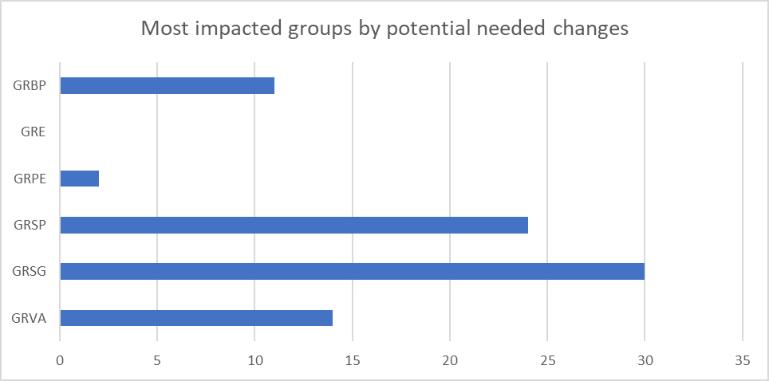
Physical controls | Steering wheel | Accelerator | Pedal | Gear shaft
- Unsurprisingly, GRSG and GRSP are the two groups most impacted groups, with texts more regularly mentioning terms related to human and/or driver involvement or potential impact on the driver. - References to the "system" are also often related to requirements that might need specific attention.
Driver decision | Override | Control Actuate operate (Mis)use (De)activate | Intentional Choose Deliberate | Emergency
Entering or exiting the vehicle | Evacuate Leave Exit Enter Board | Ingress Egress
Physical components irrelevant for automated driving | Windscreen Windshield Sun visor Mirror Glazing
The keywords below are relevant when considering vehicles without occupants:
Person on board | Seating position | R point H point | (Un)fasten (Un)buckle | Seated Standing | Armrest Headrest Safety belt Door

